Bank-Simple
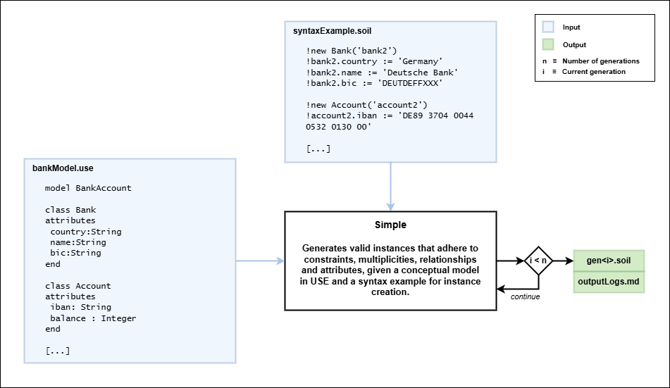
gen1.soil |  |  |  |  |  |  | n = 5 |  | Initial approach without USE feedback checks
Metrics | GPT 4o | Deepseek v3 | Gemini 2.0 pro | GPT o3 mini | Deepseek r3 | Gemini 2.0 flash-R
Input tokens | 498 | 501 | 534 | 497 | 503 | 534
Output tokens | 429 | 1107 | 740 | 2052 | 3856 | 637
Total tokens | 927 | 1608 | 1274 | 2549 | 4359 | 1171
Elapsed time (s) | 9 | 48 | 9 | 16 | 173 | 6
Syntax errors | 0 | 17 | 0 | 0
Check errors | 0 | 0 | 0 | 1
Bank name (valid / total) | 100.00% | 100.00% | 100.00% | 100.00%
valid | 2 | 5 | 2 | 3
total | 2 | 5 | 2 | 3
Bank BIC (valid / total) | 100.00% | 100.00% | 100.00% | 100.00%
valid | 2 | 5 | 2 | 3
total | 2 | 5 | 2 | 3
Bank country (valid / total) | 100.00% | 100.00% | 100.00% | 100.00%
valid | 2 | 5 | 2 | 3
total | 2 | 5 | 2 | 3
Account IBAN (valid / total) | 0.00% | 0.00% | 0.00% | 0.00%
valid | 0 | 0 | 0 | 0
total | 3 | 5 | 5 | 3
 |  |  |  |  |  |  | NOTES

gen2.soil |  |  |  |  |  |  | TOTAL OF GENERATIONS
Metrics | GPT 4o | Deepseek v3 | Gemini 2.0 pro | GPT o3 mini | Deepseek r3 | Gemini 2.0 flash-R | Metrics | GPT 4o | Deepseek v3 | Gemini 2.0 pro | GPT o3 mini | Deepseek r3 | Gemini 2.0 flash-R
Input tokens | 939 | 1617 | 1283 | 1079 | 1597 | 1178 | Input tokens | 6891 | 14296 | 10738 | 9451 | 14029 | 9719
Output tokens | 428 | 1204 | 802 | 1842 | 3649 | 716 | Output tokens | 2141 | 5779 | 4186 | 10222 | 15441 | 3652
Total tokens | 1367 | 2821 | 2085 | 2921 | 5246 | 1894 | Total tokens | 9032 | 20075 | 14924 | 19673 | 29470 | 13371
Elapsed time (s) | 10 | 57 | 9 | 14 | 164 | 4 | Elapsed time (s) | 51 | 390 | 47 | 86 | 1080 | 23
Syntax errors | 0 | 23 | 0 | 0 |  |  | Syntax errors | 0 | 108 | 0 | 0 | 21 | 1
Check errors | 0 | 3 | 0 | 0 |  |  | Check errors | 0 | 15 | 0 | 1 | 2 | 0
Bank name (valid / total) | 100.00% | 100.00% | 100.00% | 100.00% |  |  | Bank name (valid / total) | 100.00% | 100.00% | 100.00% | 100.00% | 100.00% | 100.00%
valid | 2 | 6 | 3 | 4 |  |  | valid | 10 | 28 | 14 | 18 | 17 | 10
total | 2 | 6 | 3 | 4 |  |  | total | 10 | 28 | 14 | 18 | 17 | 10
Bank BIC (valid / total) | 100.00% | 83.33% | 100.00% | 75.00% |  |  | Bank BIC (valid / total) | 90.00% | 85.71% | 100.00% | 83.33% | 88.24% | 90.00%
valid | 2 | 5 | 3 | 3 |  |  | valid | 9 | 24 | 14 | 15 | 15 | 9
total | 2 | 6 | 3 | 4 |  |  | total | 10 | 28 | 14 | 18 | 17 | 10
Bank country (valid / total) | 100.00% | 100.00% | 100.00% | 100.00% |  |  | Bank country (valid / total) | 100.00% | 100.00% | 100.00% | 100.00% | 100.00% | 100.00%
valid | 2 | 6 | 3 | 4 |  |  | valid | 10 | 28 | 14 | 18 | 17 | 10
total | 2 | 6 | 3 | 4 |  |  | total | 10 | 28 | 14 | 18 | 17 | 10
Account IBAN (valid / total) | 0.00% | 16.67% | 0.00% | 0.00% |  |  | Account IBAN (valid / total) | 0.00% | 3.85% | 8.00% | 0.00% | 0.00% | 9.52%
valid | 0 | 1 | 0 | 0 |  |  | valid | 0 | 1 | 2 | 0 | 0 | 2
total | 3 | 6 | 5 | 5 |  |  | total | 15 | 26 | 25 | 24 | 35 | 21
 |  |  |  |  |  |  | Nº of graphs | 10 | 25 | 9 | 16 | 17 | 1

gen3.soil |  |  |  |  |  |  | MEAN (TOTAL / GENERATIONS)
Metrics | GPT 4o | Deepseek v3 | Gemini 2.0 pro | GPT o3 mini | Deepseek r3 | Gemini 2.0 flash-R | Metrics | GPT 4o | Deepseek v3 | Gemini 2.0 pro | GPT o3 mini | Deepseek r3 | Gemini 2.0 flash-R
Input tokens | 1379 | 2830 | 2094 | 1899 | 2613 | 1902 | Input tokens | 1378.2 | 2859.2 | 2147.6 | 1890.2 | 2805.8 | 1943.8
Output tokens | 425 | 1222 | 857 | 1631 | 2056 | 749 | Output tokens | 428.2 | 1155.8 | 837.2 | 2044.4 | 3088.2 | 730.4
Total tokens | 1804 | 4052 | 2951 | 3530 | 4669 | 2651 | Total tokens | 1806.4 | 4015 | 2984.8 | 3934.6 | 5894 | 2674.2
Elapsed time (s) | 11 | 177 | 9 | 14 | 109 | 4 | Elapsed time (s) | 10.2 | 78 | 9.4 | 17.2 | 216 | 4.6
Syntax errors | 0 | 22 | 0 | 0 |  |  | Syntax errors | 0 | 21.6 | 0 | 0 | 4.2 | 0.2
Check errors | 0 | 4 | 0 | 0 |  |  | Check errors | 0 | 3 | 0 | 0.2 | 0.4 | 0
Bank name (valid / total) | 100.00% | 100.00% | 100.00% | 100.00%
valid | 2 | 6 | 3 | 3
total | 2 | 6 | 3 | 3
Bank BIC (valid / total) | 100.00% | 83.33% | 100.00% | 100.00%
valid | 2 | 5 | 3 | 3
total | 2 | 6 | 3 | 3
Bank country (valid / total) | 100.00% | 100.00% | 100.00% | 100.00%
valid | 2 | 6 | 3 | 3
total | 2 | 6 | 3 | 3
Account IBAN (valid / total) | 0.00% | 0.00% | 20.00% | 0.00%
valid | 0 | 0 | 1 | 0
total | 3 | 5 | 5 | 4

gen4.soil
Metrics | GPT 4o | Deepseek v3 | Gemini 2.0 pro | GPT o3 mini | Deepseek r3 | Gemini 2.0 flash-R
Input tokens | 1816 | 4061 | 2961 | 2636 | 4085 | 2660
Output tokens | 431 | 1217 | 895 | 2430 | 3297 | 778
Total tokens | 2247 | 5278 | 3856 | 5066 | 7382 | 3438
Elapsed time (s) | 13 | 59 | 10 | 21 | 514 | 5
Syntax errors | 0 | 23 | 0 | 0
Check errors | 0 | 5 | 0 | 0
Bank name (valid / total) | 100.00% | 100.00% | 100.00% | 100.00%
valid | 2 | 6 | 3 | 3
total | 2 | 6 | 3 | 3
Bank BIC (valid / total) | 50.00% | 83.33% | 100.00% | 100.00%
valid | 1 | 5 | 3 | 3
total | 2 | 6 | 3 | 3
Bank country (valid / total) | 100.00% | 100.00% | 100.00% | 100.00%
valid | 2 | 6 | 3 | 3
total | 2 | 6 | 3 | 3
Account IBAN (valid / total) | 0.00% | 0.00% | 20.00% | 0.00%
valid | 0 | 0 | 1 | 0
total | 3 | 5 | 5 | 5

gen5.soil
Metrics | GPT 4o | Deepseek v3 | Gemini 2.0 pro | GPT o3 mini | Deepseek r3 | Gemini 2.0 flash-R
Input tokens | 2259 | 5287 | 3866 | 3340 | 5231 | 3445
Output tokens | 428 | 1029 | 892 | 2267 | 2583 | 772
Total tokens | 2687 | 6316 | 4758 | 5607 | 7814 | 4217
Elapsed time (s) | 8 | 49 | 10 | 21 | 120 | 4
Syntax errors | 0 | 23 | 0 | 0
Check errors | 0 | 3 | 0 | 0
Bank name (valid / total) | 100.00% | 100.00% | 100.00% | 100.00%
valid | 2 | 5 | 3 | 5
total | 2 | 5 | 3 | 5
Bank BIC (valid / total) | 100.00% | 80.00% | 100.00% | 60.00%
valid | 2 | 4 | 3 | 3
total | 2 | 5 | 3 | 5
Bank country (valid / total) | 100.00% | 100.00% | 100.00% | 100.00%
valid | 2 | 5 | 3 | 5
total | 2 | 5 | 3 | 5
Account IBAN (valid / total) | 0.00% | 0.00% | 0.00% | 0.00%
valid | 0 | 0 | 0 | 0
total | 3 | 5 | 5 | 7

